
 |  |  |  | CODE: |  |  | pl1239 aa SN from 98L000
DESCRIPTION: |  | HEAD:AXLE PULLEY |  | KOPF | TETE | CABEZA | TEST.:ASSE PULEGGIA
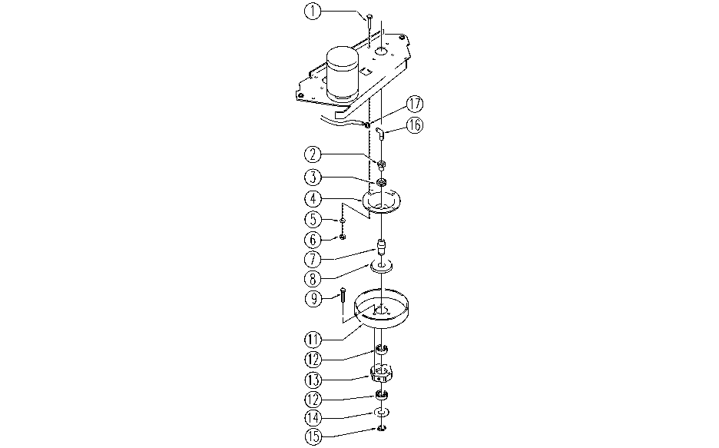

REF. | CODE | DESCRIPTION | QT
1 | SL04023 | SCREW | 10
2 | E86636 | Nipple | 2
3 | E86468 | AS20 Nut | 2
4 | E86725 | Flange, WS20 | 2
5 | E86726 | Washer | 12
6 | E86853 | Nyloc Hex Nut, M8 Zinc | 8
7 | SL07291 | PIN | 2
8 | E86618 | Upper Protection | 2
9 | E86977 | Screw TCEI M5-16 | 6
11 | E86724 | Pulley, pipe | 2
12 | E86409 | Bearing, 6005 2RS | 4
13 | E89431 | Hexagon, | 2
14 | E86617 | Lower Protection | 2
15 | E86812 | Seegeer | 2
16 | E86638 | Union Elbow | 2
17 | E86751 | Clamp 10-16 | 2

